UI Changes
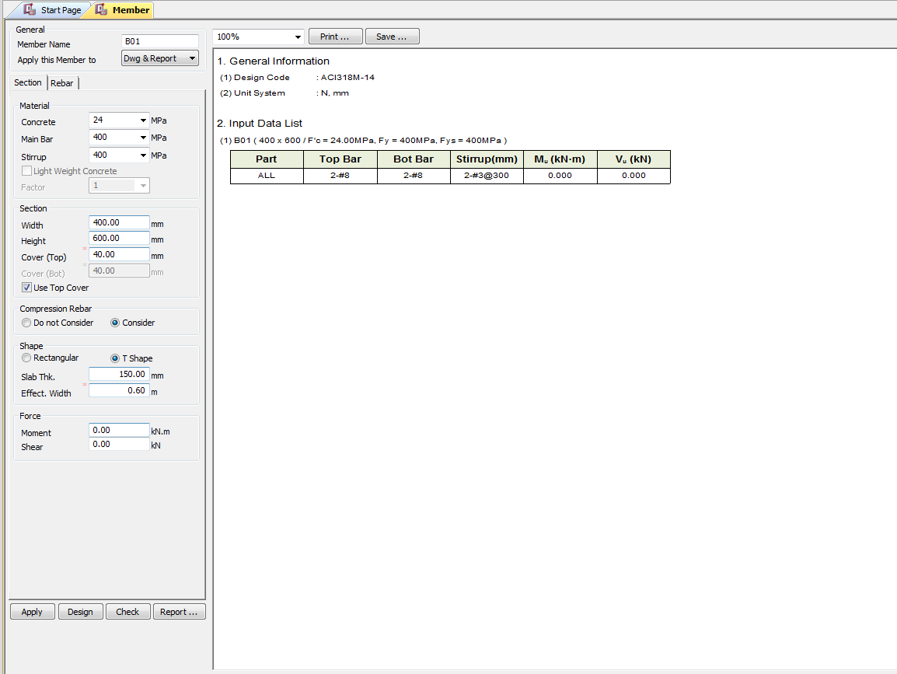
 |  | Required Changes in UI

PROJECT MODE |  |  |  | SIMPLE MODE |  |  | CHECKMODE
SAME GUI + ADDITIONAL FEATURES IF REQUIRED
TORSION INPUT FROM TABLE |  |  |  | TORSION INPUT BOX
Deflection input changes
Out Put Replace short term and long term with Total Deflection and Include Crack width if required ! |  |  |  |  |  | Torsion data Box |  | Torsion data Box

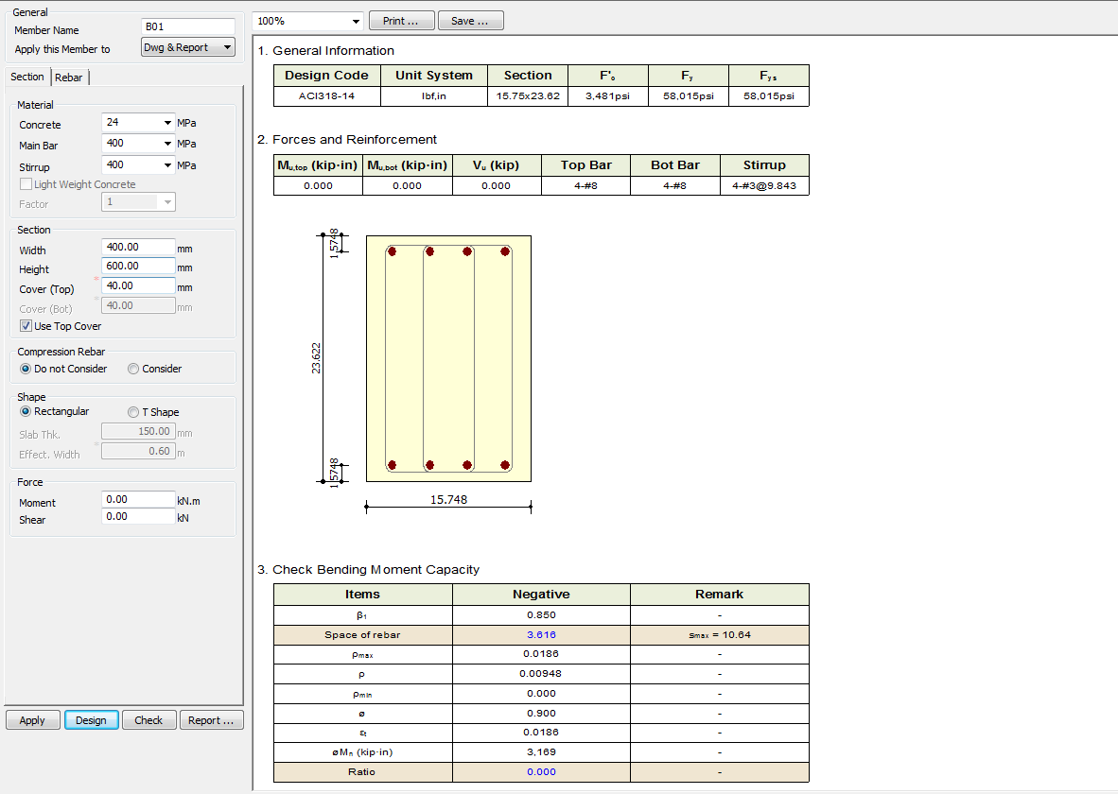
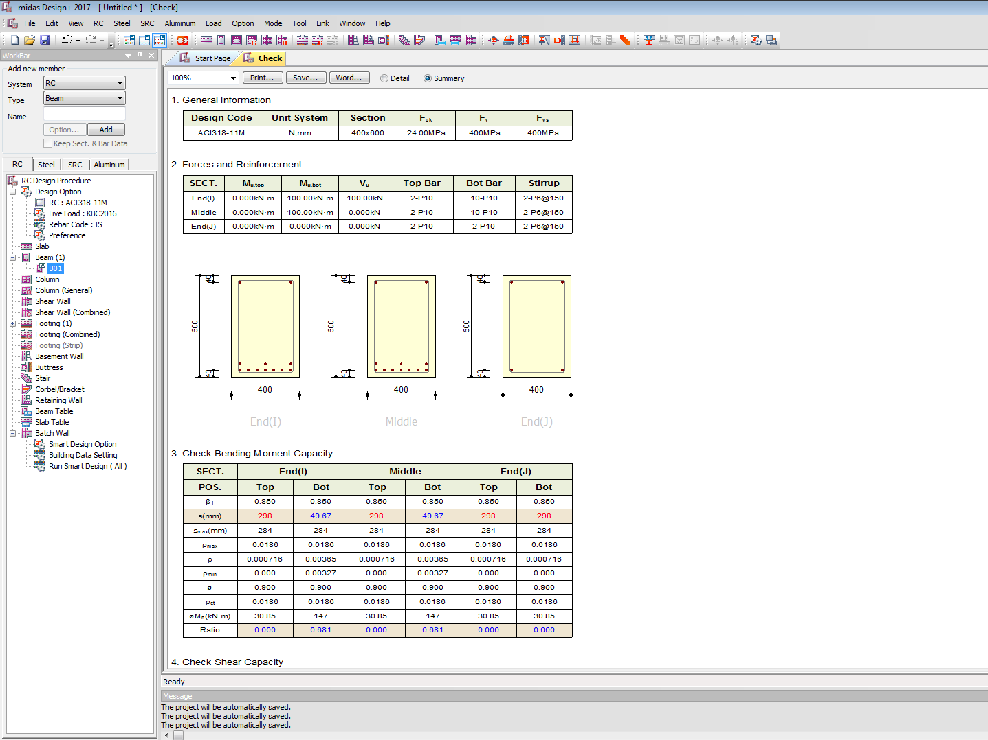

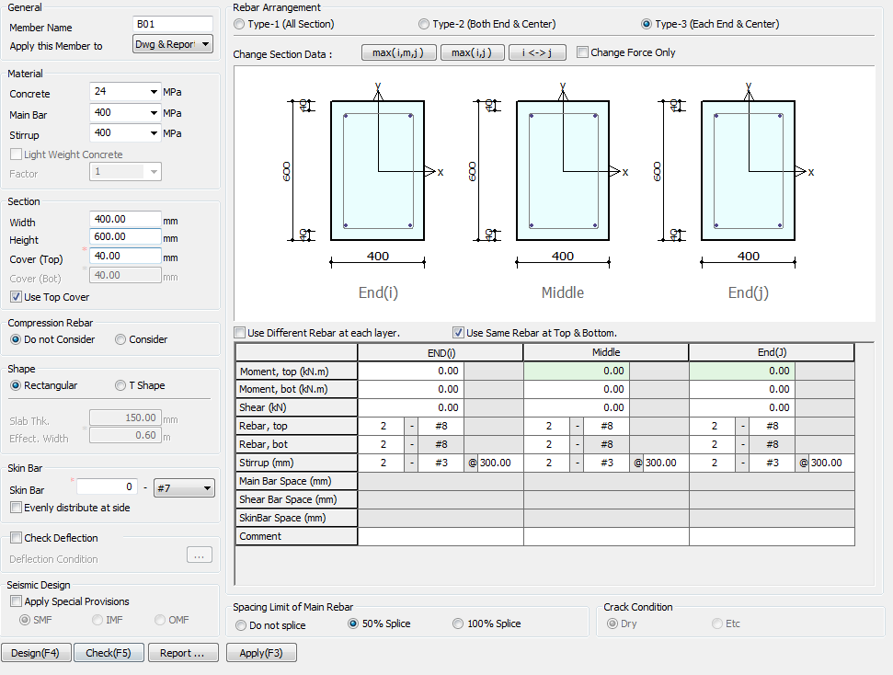

Torsion
0
kN-M

Side Face Reinforcement

Side

Apply IS 13920 Design

 | TORSION INPUT JUST BELOW SHEAR BOX

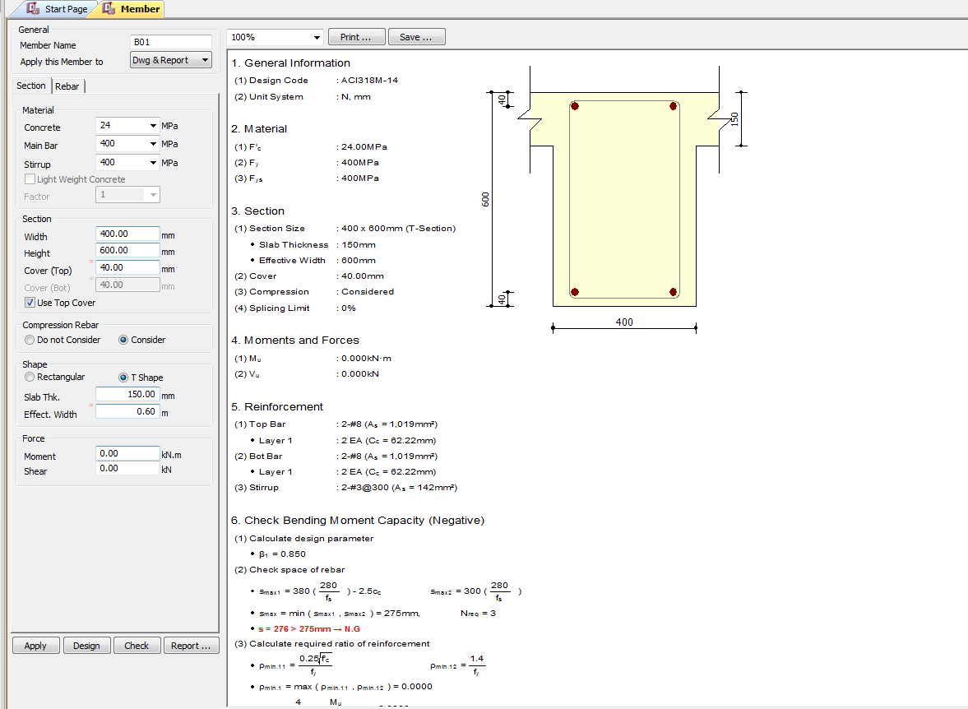

 |  |  | Just Keep check mark as Apply Design IS 13920

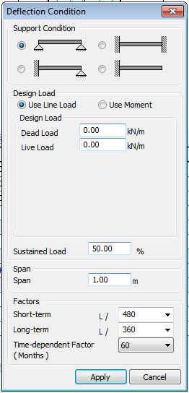

Charactersic Deflection Control
Limit
250
350

7
28
365
(Days)
Torsion
0
kN-M

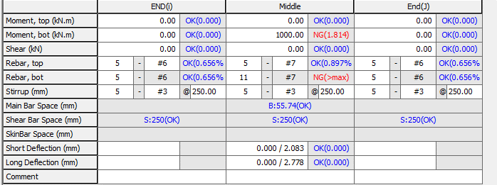

Total Deflection (mm)
Crack Width (mm)

 |  |  |  |  | Include Torsion data

UI CHECK
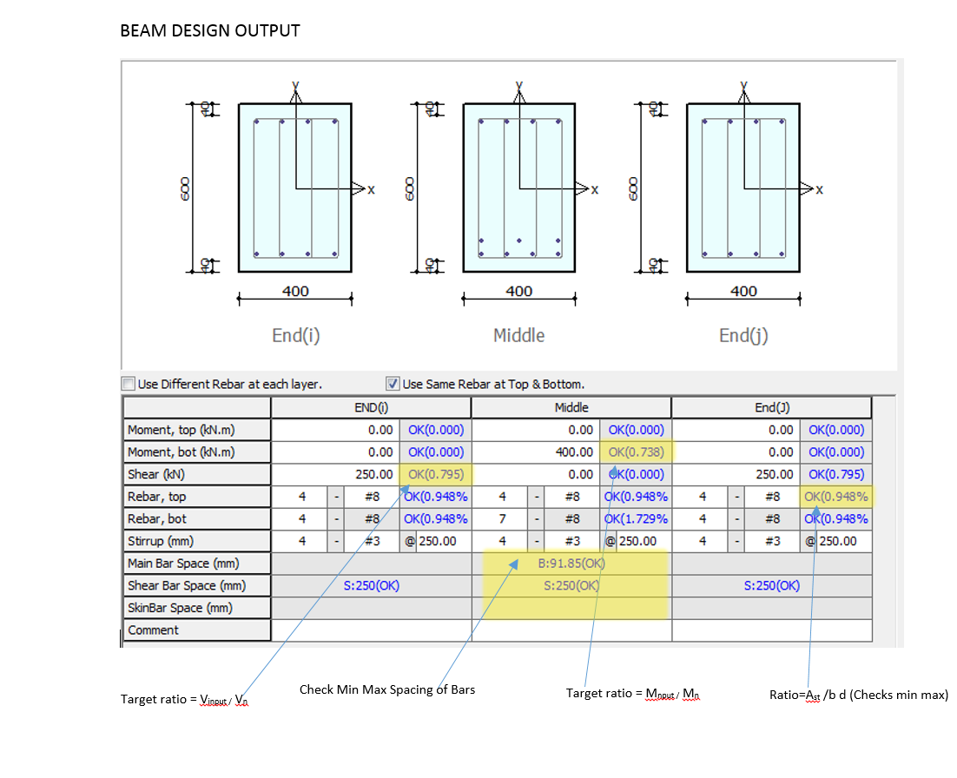
UI Checking

 | Checks the Input shear to section shear Capacity ratio
 | Checks the Input Moment toMoment section Capacity ratio
 | Check Min Max spacing of Bar
 | Check Min Max Area of steel
 | Check Deflection Limit as per code

CODE PROVISIONS
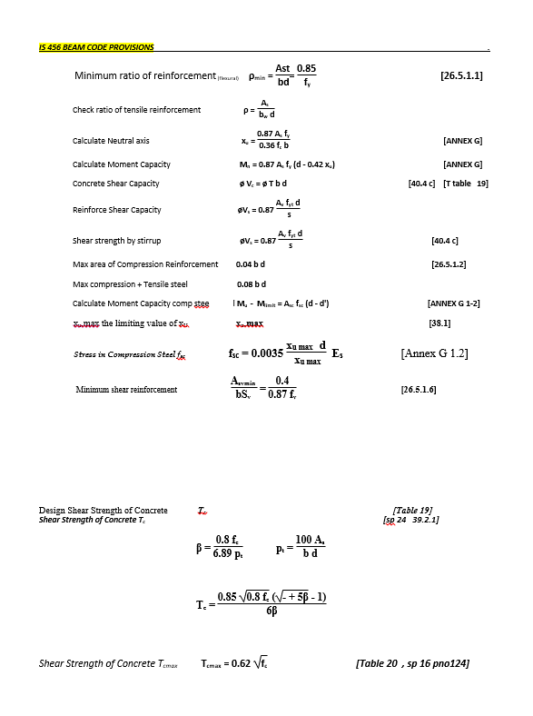
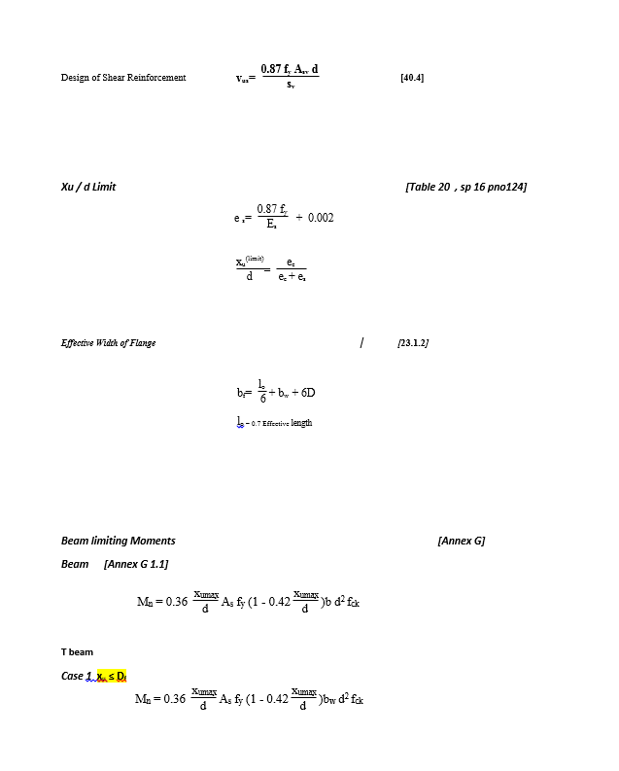
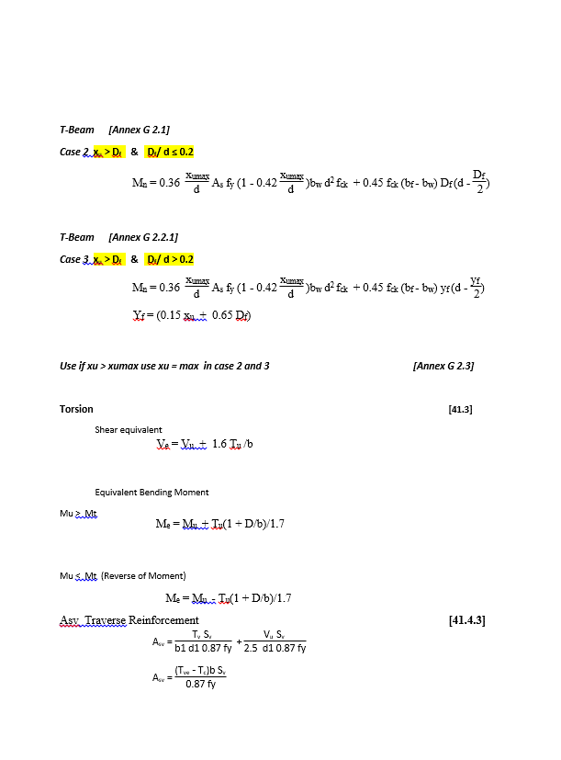
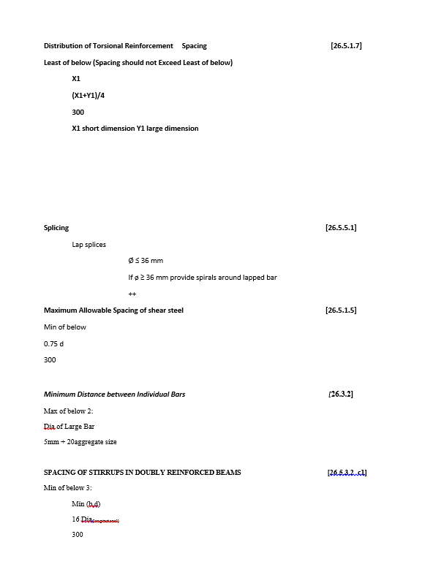
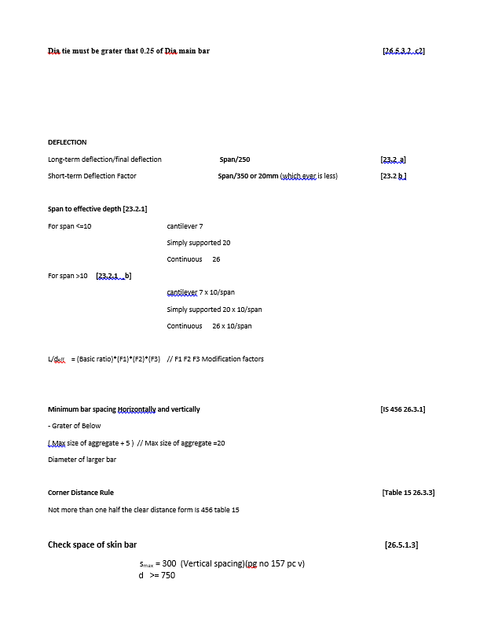
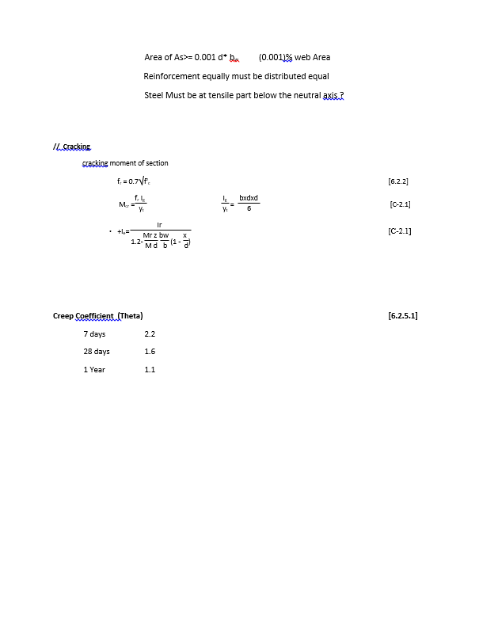
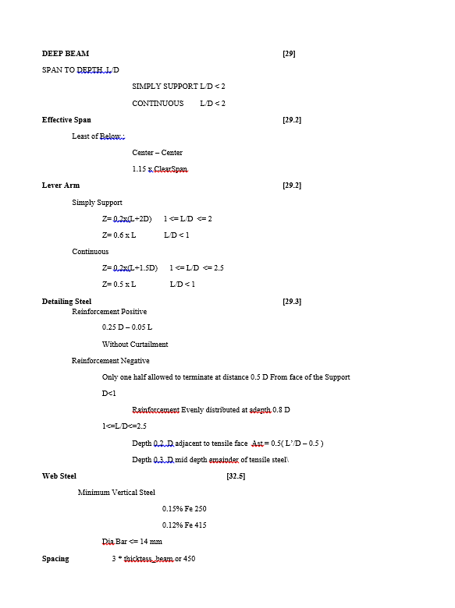
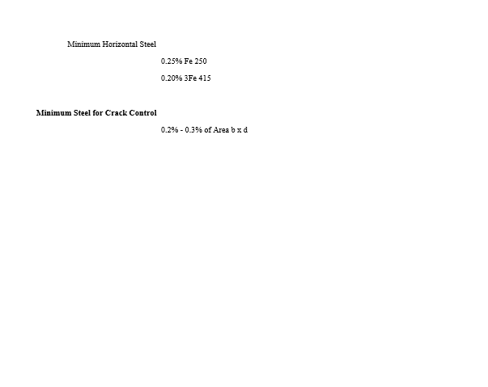
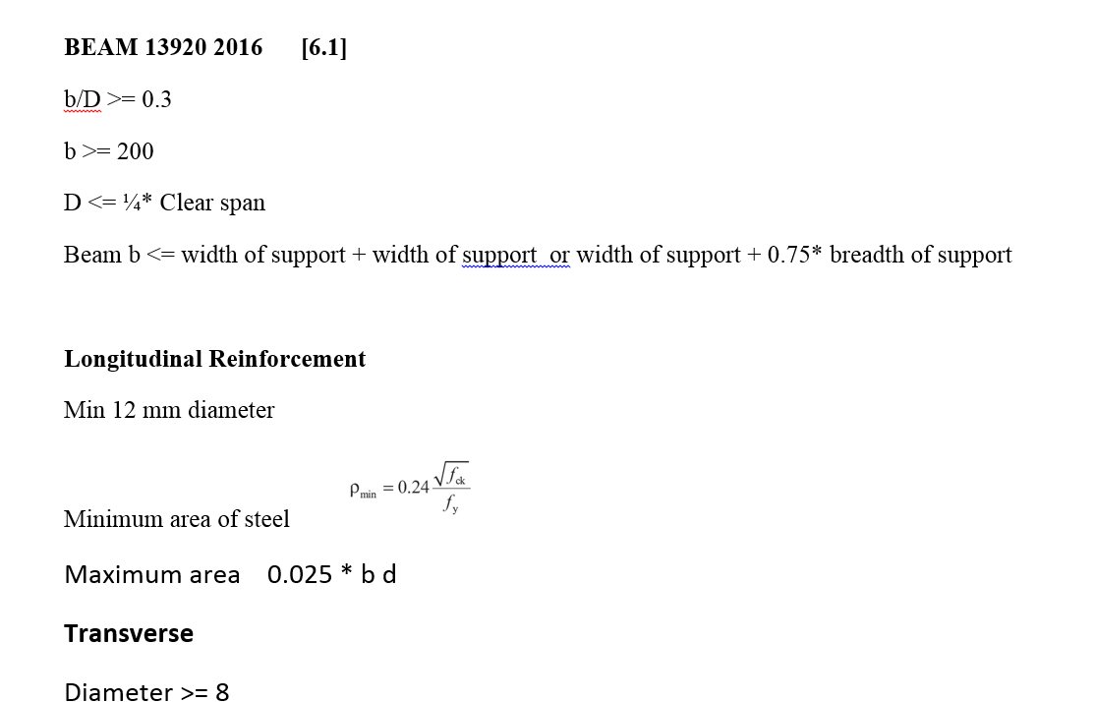
CODE PROVISION

IS 456 2000 CODE PROVISIONS
SP 16
SP 24
IS 13920 2016

FLOWCHAT2
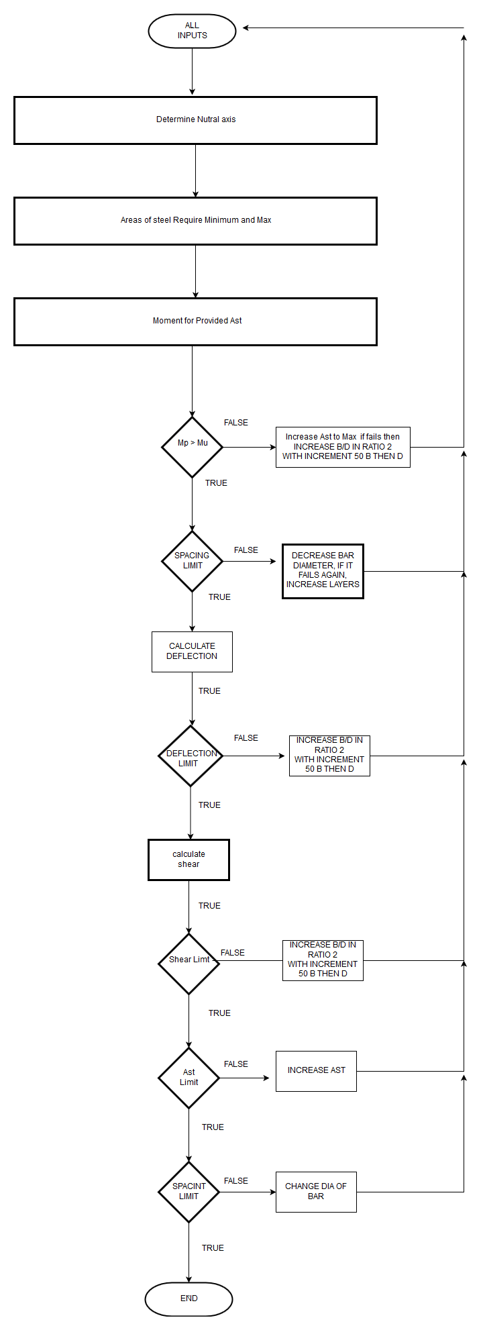
Flow Chart

FLOW CHARTS FOR EACH STEPS

 | OverviewFlow chat |  | STEP BY STEP FLOWCHAT | DETAIL FLOWCHAT
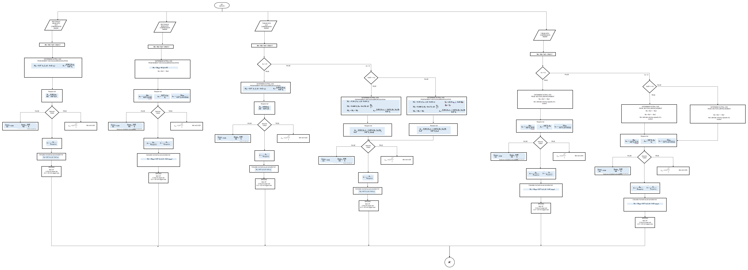
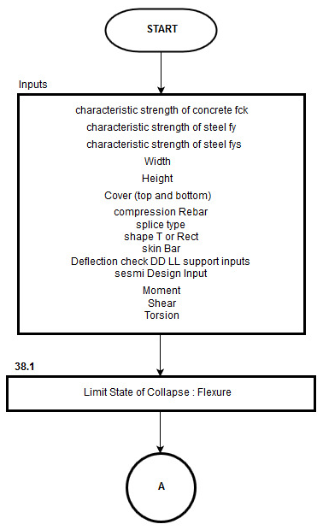
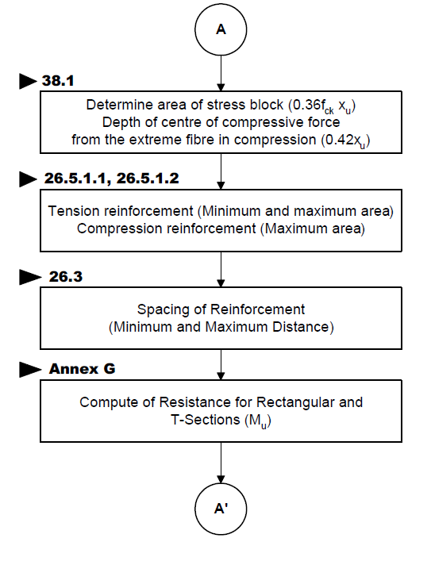

 |  | FLEXURE A A'

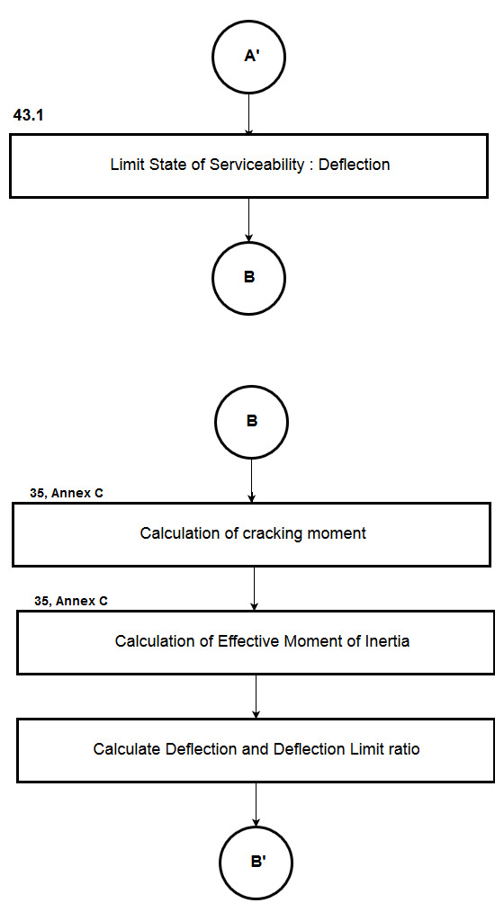

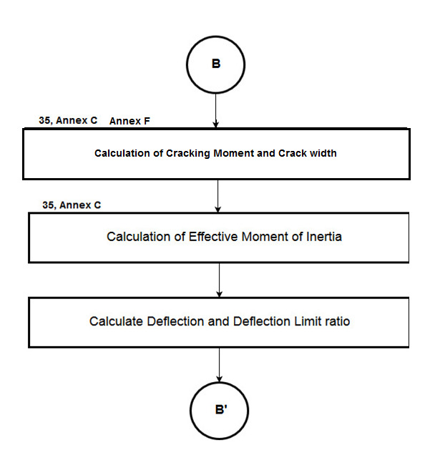
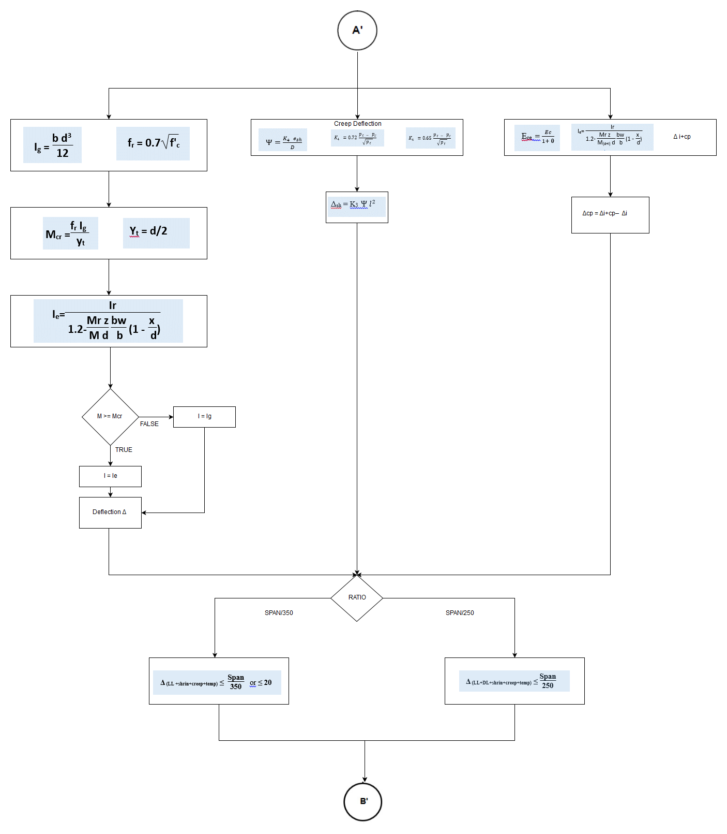

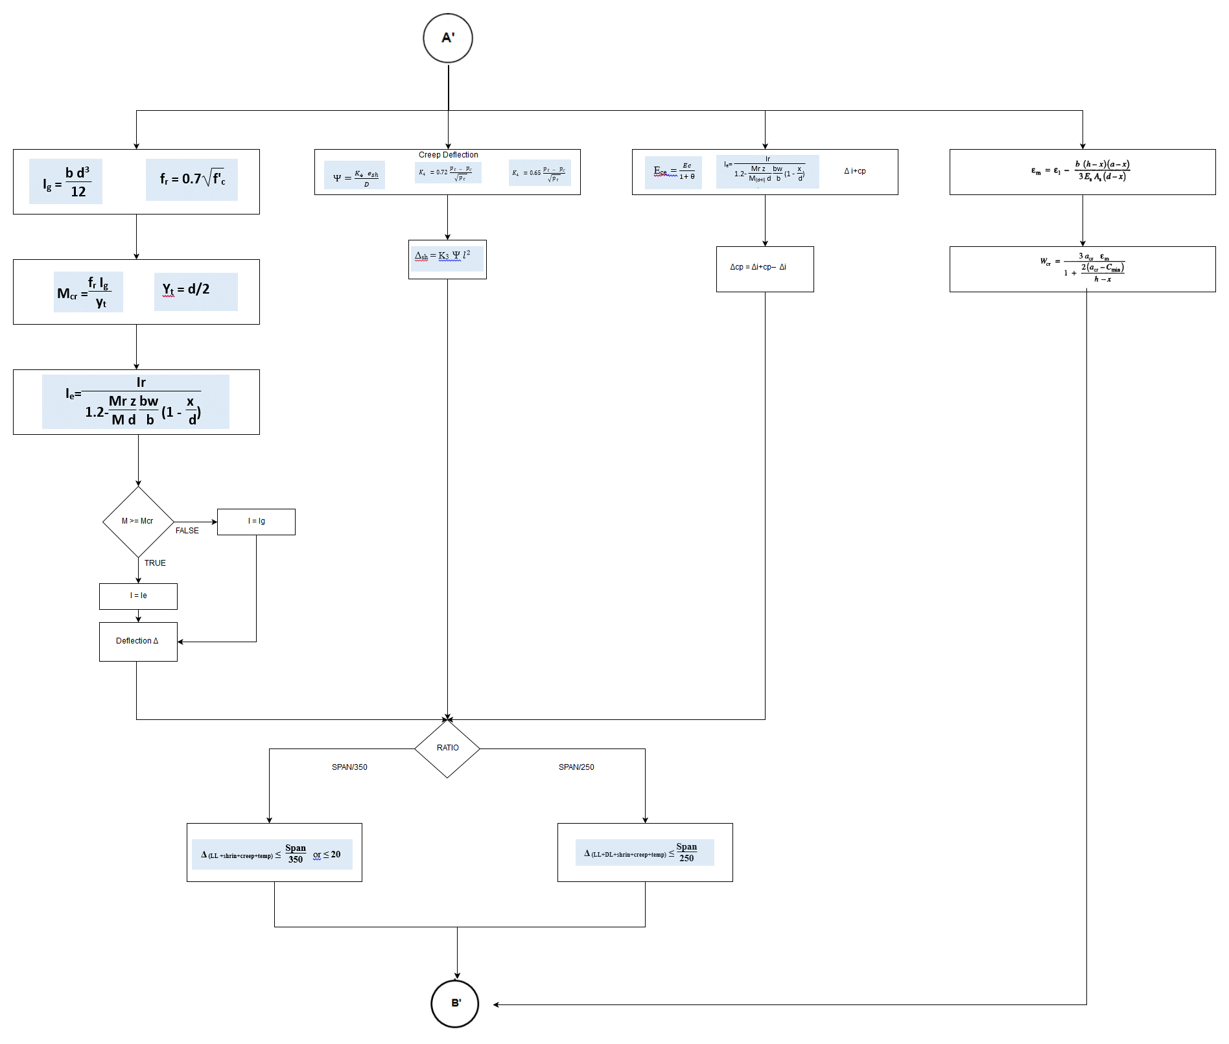

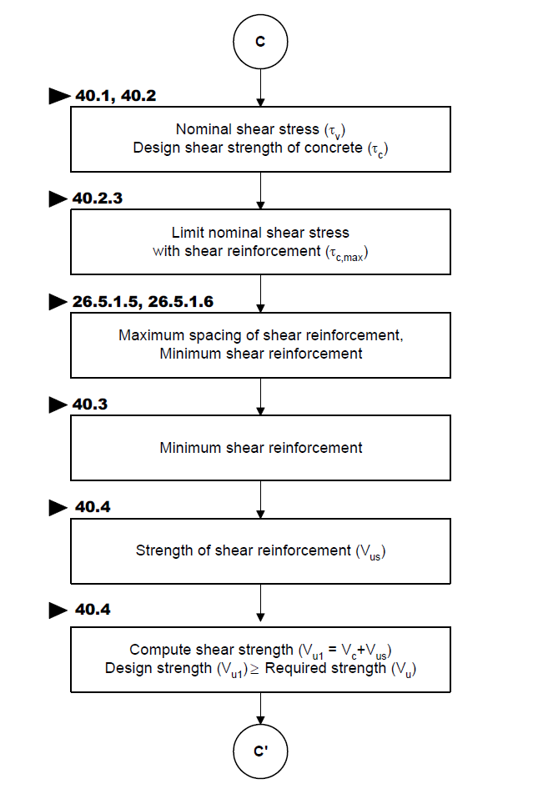

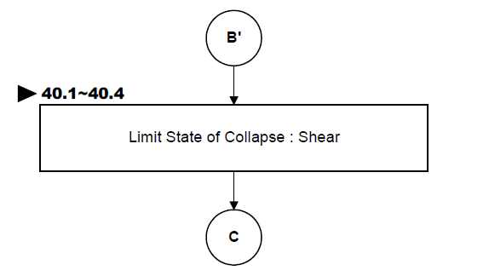

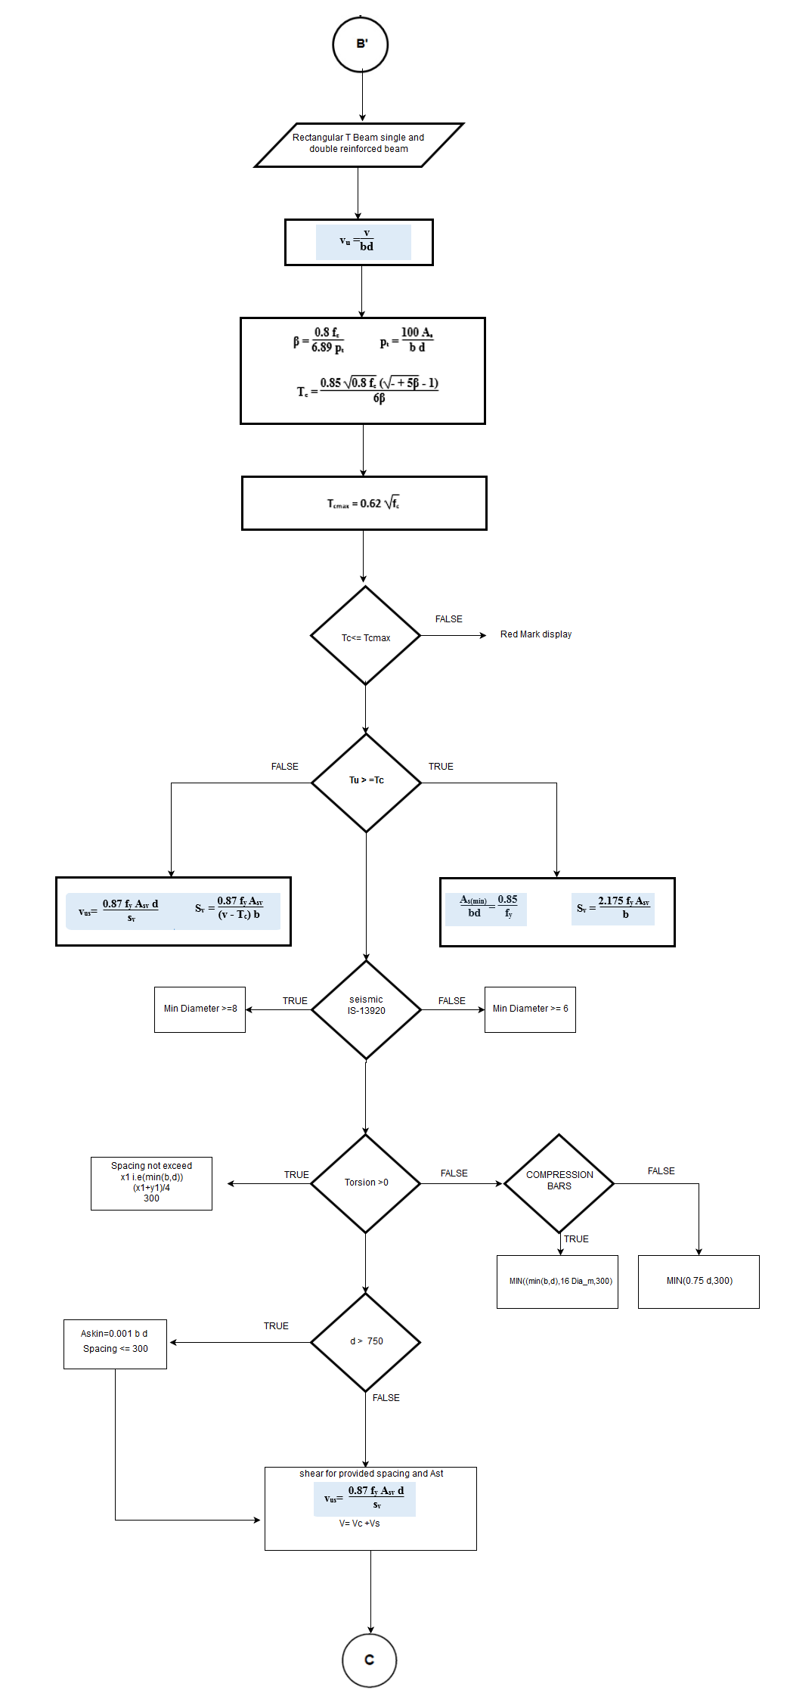

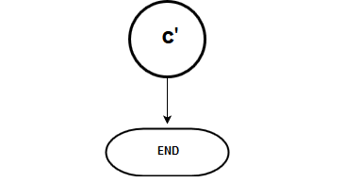

DESING ALGORITHEM

REPORT
 | REPORT

 |  |  |  |  |  |  | Include T Torsion
Detail Report

 |  |  | Summary Report
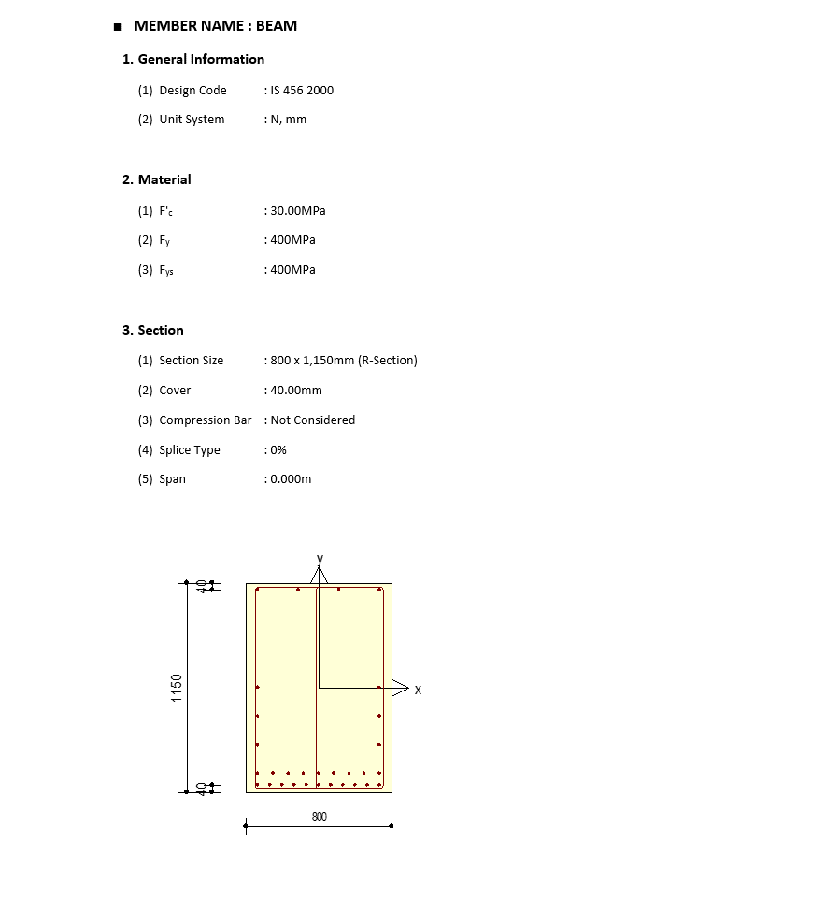
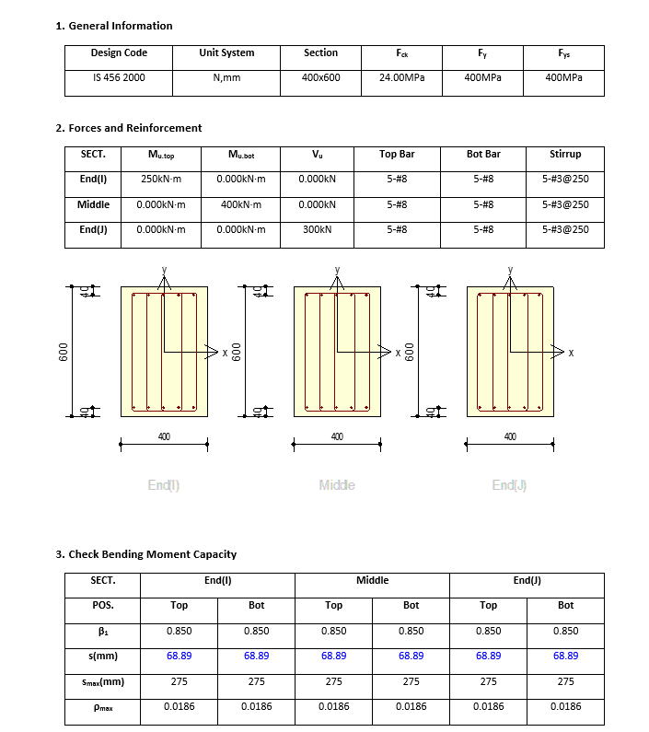

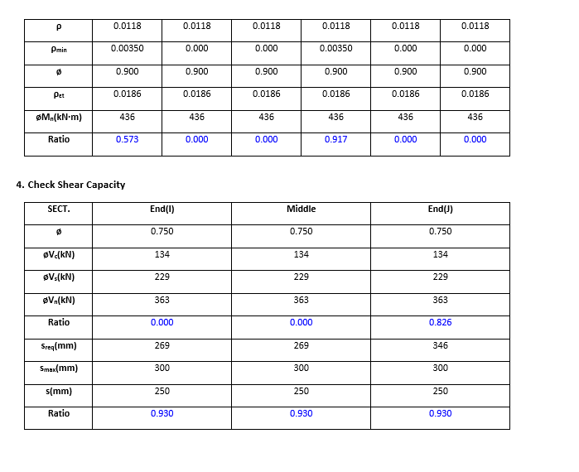

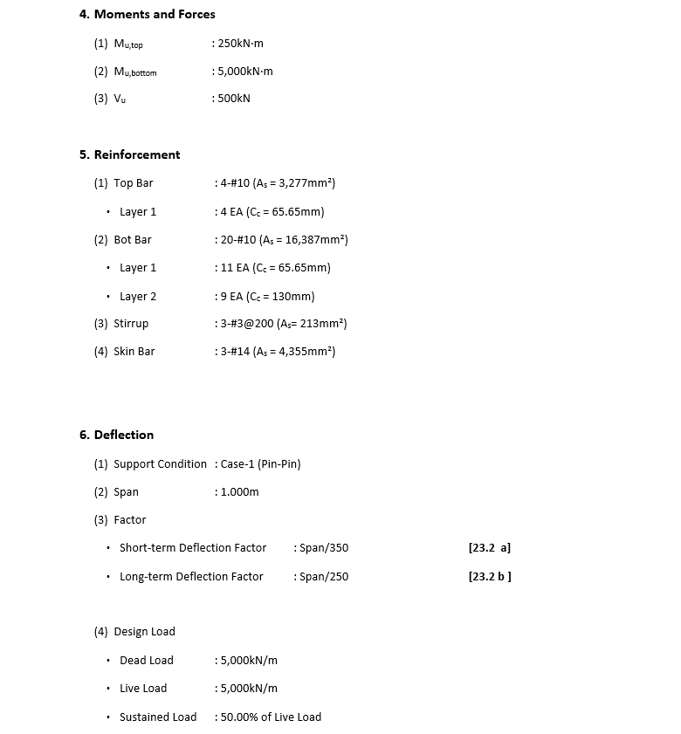
 |  |  |  |  |  |  |  | Remove Beta

 |  |  |  |  |  |  |  | Provide Equivalent Torsion

 |  |  |  |  |  |  |  | Change shortterm and longterm deflection to Total Deflection

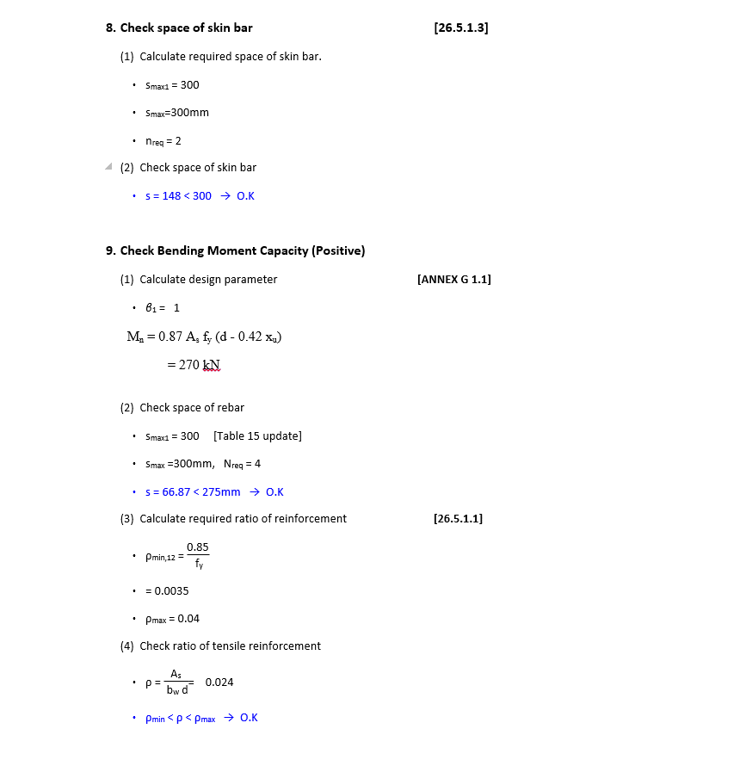

 |  |  | Add Equivalent Moment |  | Me = Mu + Mt

 |  |  |  |  |  | For Tbeam
 |  | Remove Beta

 |  | Include Sesmic min max Ast if Seismic option is selected

 |  |  |  |  |  | Double Reinforcement Mu= Mulimit + M2

 |  |  | Max 0.025 of b d

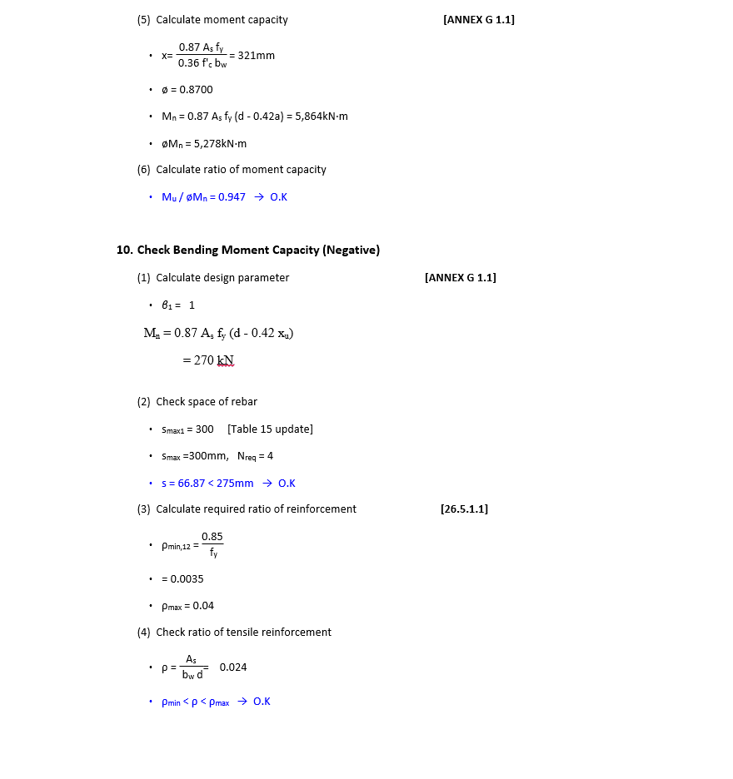

 |  |  | Add Equivalent Moment |  | Me = Mu + Mt

 |  | Remove Beta

 |  | Include Sesmic min max Ast if Seismic option is selected

 |  |  | Max 0.025 of b d

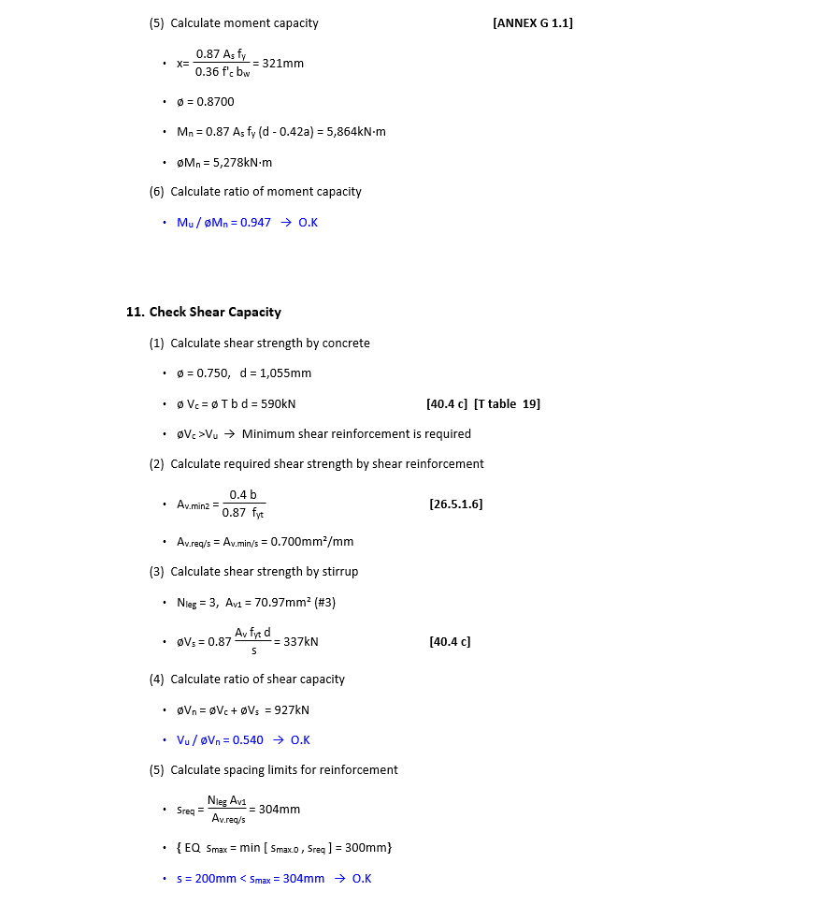

 |  |  | Add Equivalent Shear formula from Trosion

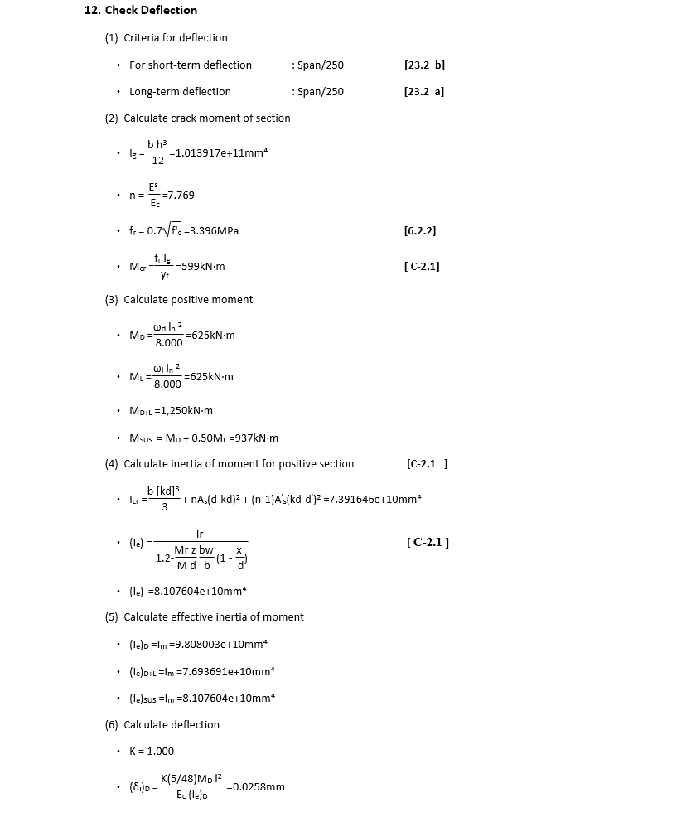

 |  |  | Total Deflection Formulla
 |  |  | Span/250 | Span/350

 |  |  | Double Reinforcement Equation

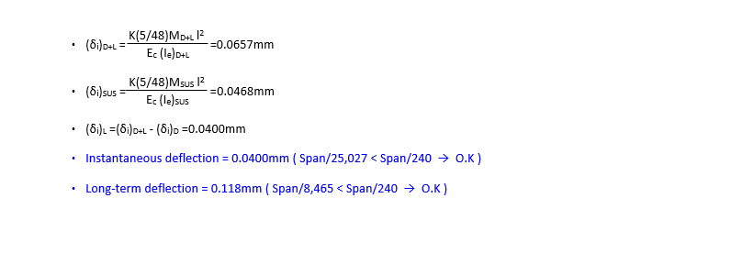

 |  | Add Creep and shrinkage Deflections
 |  | Δsh = K3 Ψ

 |  | Ece =
Δ_{cp} = Δ_{i+cp} – Δ_{i=D}

 |  | Change to Total Deflection

 |  | Include Cracking width

